IP fragmentation
Length | Remaining | ID | MF Flag | Offset | MTU | Size | ID | Data = size - IP header
1500 | 4000 | x | 1 | 0 | 1500 | 4000 | x | 3980
1500 | 2500 | x | 1 | 185
1500 | 1000 | x | 0 | 370

Length | Remaining | ID | MF Flag | Offset | MTU | Size | ID | Data = size - IP header
1500 | 5540 | 2222 | 1 | 0 | 1500 | 5540 | 2222 | 5520
1500 | 4040 | 2222 | 1 | 185
1500 | 2540 | 2222 | 1 | 370
1500 | 1040 | 2222 | 0 | 555 |  |  |  | http://fixmycode.github.io/IPFCalc/
0 | 0
 |  |  |  |  |  |  |  |  | Q7). IP Packets on a certain network can carry a maximum of only 500 Bytes in the data portion. An application using TCP/IP on a node on this network generates a TCP segment with 1,000 Bytes in the data portion. How many IP packets are transmitted to carry this TCP segment, and what are their sizes (including the header)?

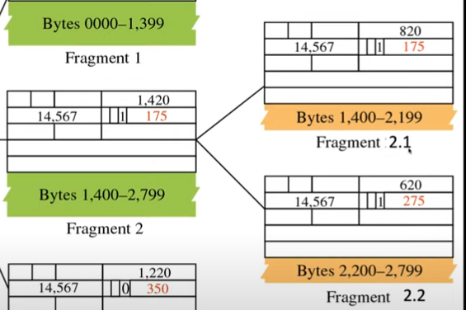

 |  |  |  |  |  |  |  |  | Answer: TCP segment size = Payload + Header = 1020 Bytes. IP packet can carry a maximum of 500 bytes in the data portion. 500 is not exactly divisible by 8 (500/8 = 62.5). We use the lower value 62*8 = 496 bytes. The 3 IP packets will have the following sizes (including the IP headers).

 |  |  |  |  |  |  |  |  | F1: 496 + 20 = 516 Bytes :: Offset=0, MF=1
 |  |  |  |  |  |  |  |  | F2: 496 + 20 = 516 Bytes:: Offset=62, MF=1
 |  |  |  |  |  |  |  |  | F3: 28 + 20 = 48 Bytes :: Offset=124, MF=0

Design the subnets
201.70.64.0 | subnets needed | next 2^ |  | power
 | 6 | 8 |  | 3
total number of 1s in the subnet mask
 | 27
11111111 11111111 11111111 11100000
the red part represents the subnets and the green part represents the number of addresses in each subnet
https://www.browserling.com/tools/ip-to-bin
https://www.browserling.com/tools/bin-to-ip

 | Interface | from | to | Binary
128.8.16.0/20 | port 1 | 128.8.16.1 | 128.8.31.254 | 10000000.00001000.00010000.00000000
128.8.24.0/21 | port 2 | 128.8.24.1 | 128.8.31.254 | 10000000.00001000.00011000.00000000
128.8.128.0/24 | port 3 | 128.8.128.1 | 128.8.128.254 | 10000000.00001000.10000000.00000000
128.8.128.0/28 | port 4 | 128.8.128.1 | 128.8.128.14 | 10000000.00001000.10000000.00000000
default | port 5

128.8.128.252 | port 3
128.8.128.5 | port 4 |  |  | 10000000.00001000.10000000.00000101
128.8.25.223 | port 2 |  |  | 10000000.00001000.00011001.11011111
155.128.45.21 | default

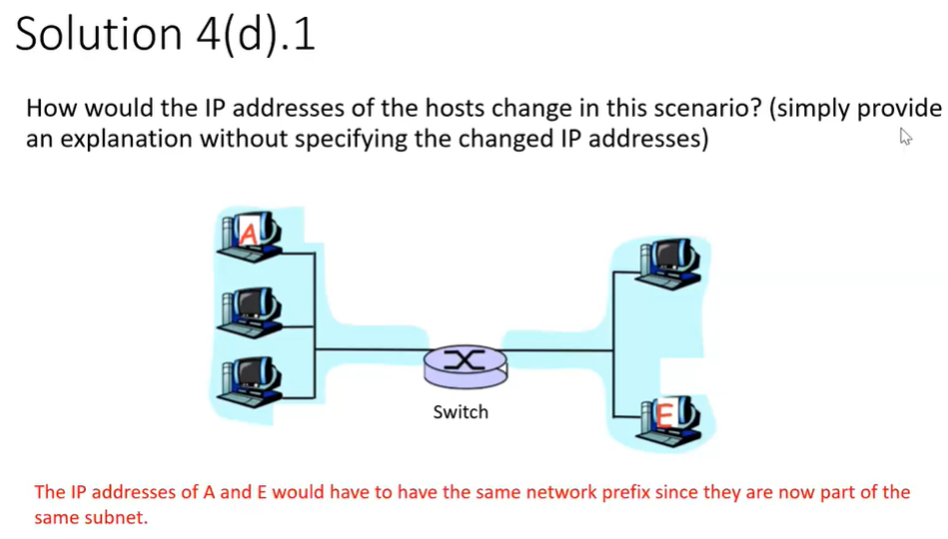
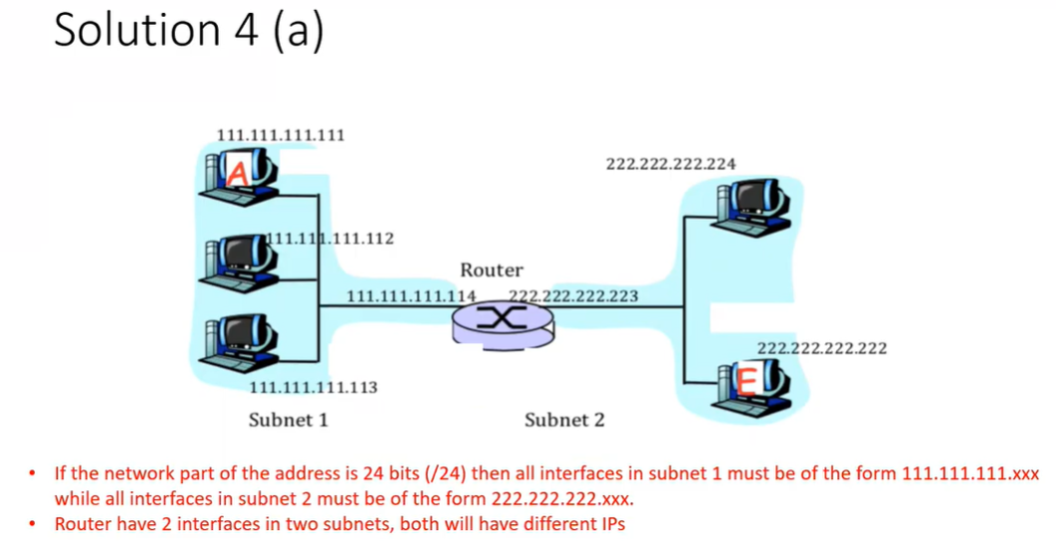

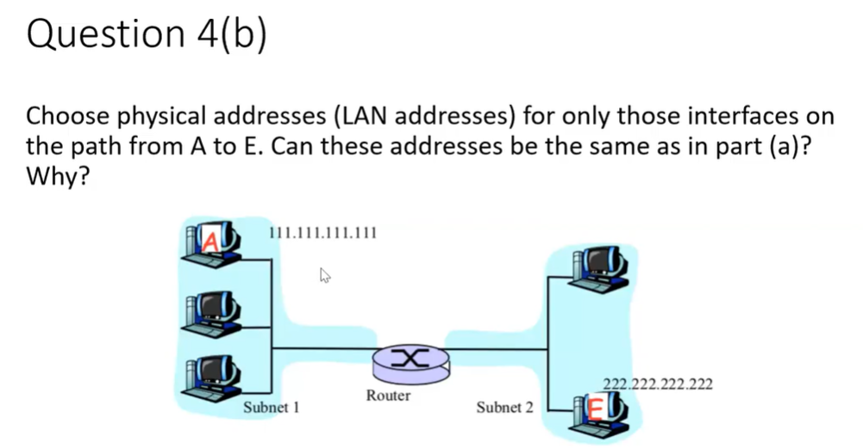
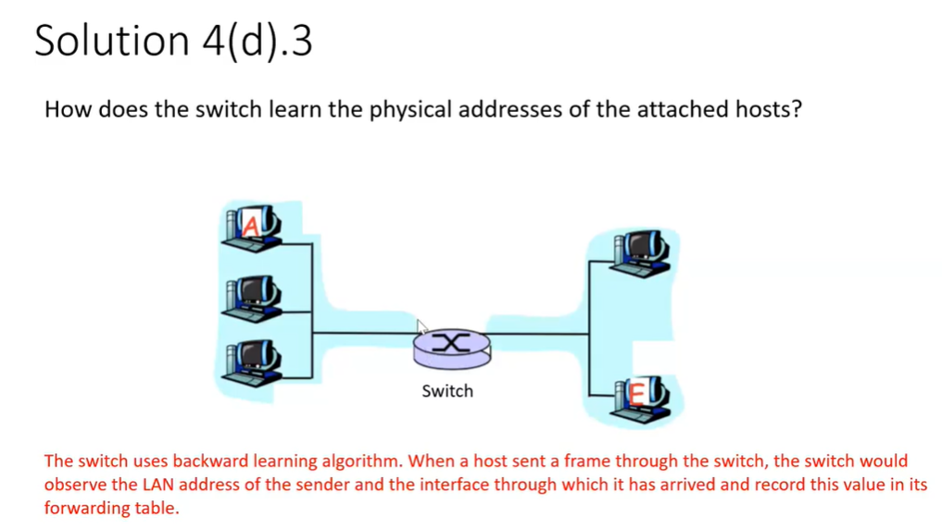

MAC address is different from IP address. 48 bits long hexadecimal colon notion

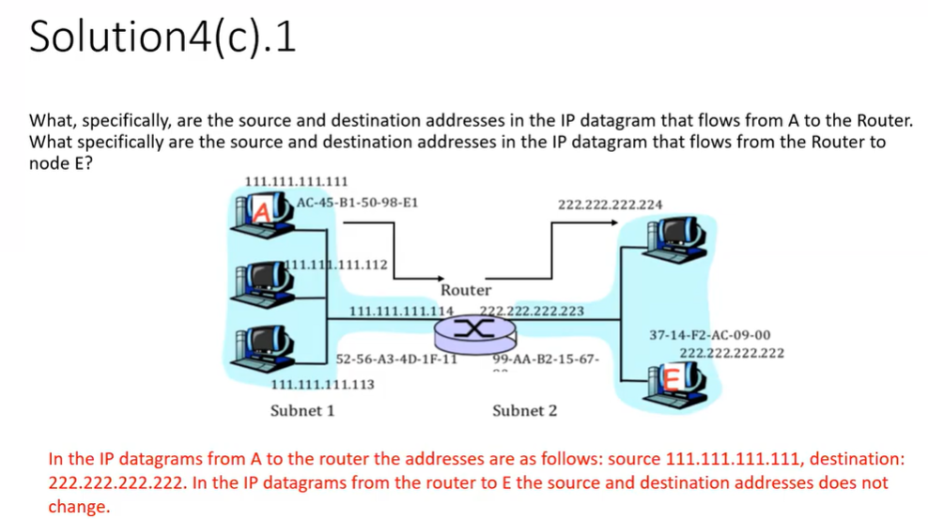

Because we need to use the IP addresses to decide forwarding tables, the source and destination IP addresses are not changed from end to end

A E and the router uses ARP to determine the physical addresses required for data link layer frame
ARP

CSMACD
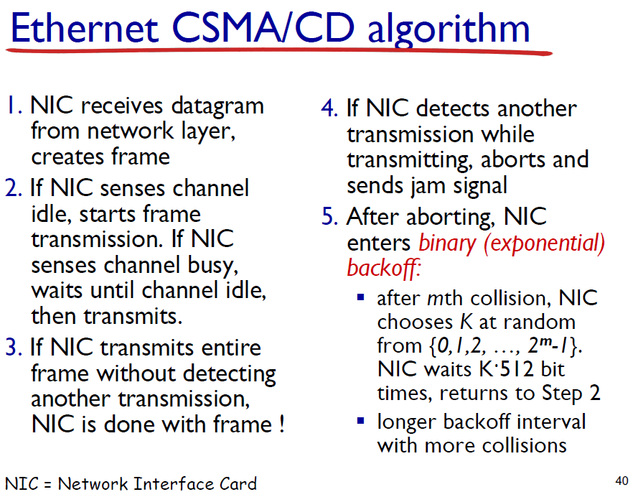
Backoff algorithm
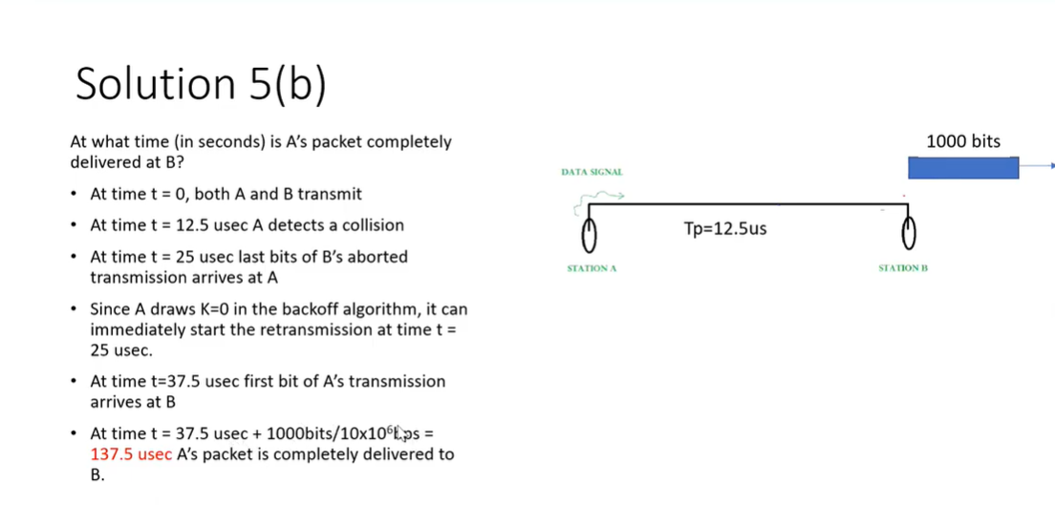

if station A and station B draw the same number, there will be a collision again, the set will be bigger so possibility of getting same number is less

Wifi
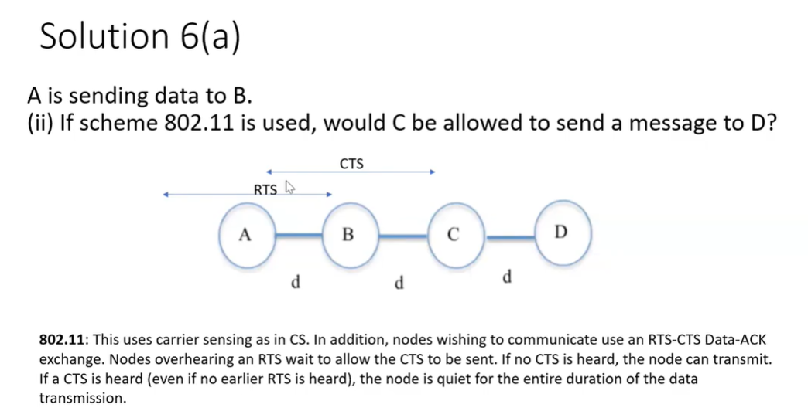
Hidden Terminal problem:
Hidden terminal problem refers to a scenario whereby two nodes that cannot hear each other attempt to communicate to an intermediate node that can hear both of them. This means carrier sensing does not detect whether a transmission to the intermediate node will face any collision as the channel is found clear by both the nodes.
How 802.11 works:
CSMA/CA
(1) Distributed Coordination Function (DCF)
If sender senses channel idle for DIFS then transmit entire frame.
If sender senses channel busy, then use random backoff time to wait for channel idel.
If receiver succefully receives frame, then return ACK after SIFS.

(2) For some long data frames, RTS-CTS
Sender transmits small request-to-send(RTS) to receiver. If successful, receiver broadcasts clear-to-send(CTS) to all nodes as response. Then sender will start tranmist data frame, while other senders defer transmissions.

Q: There are two coffee shops next to each other. Two different ISPs (ISP-1 and ISP-2) each with a unique SSID provide 802.11 based Wi-Fi access to the coffee shops. Accidentally, both the ISPs configure their APs to operate on channel 11 not aware that their wireless coverage almost completely overlaps being too close to each other. Now consider two wireless hosts, one associated with ISP-1 and the other associated with ISP-2, that try to access the Internet simultaneously. Will communication be at all possible for the wireless hosts? Answer YES or NO and BRIEFLY explain why.

Solution:
Yes. Communication can still be possible because of 802.11 using CSMA/CA on a shared medium. RTS-CTS will be used between each hosts and APs to avoid collisions, or any collisions will be handled with binary exponential back off.

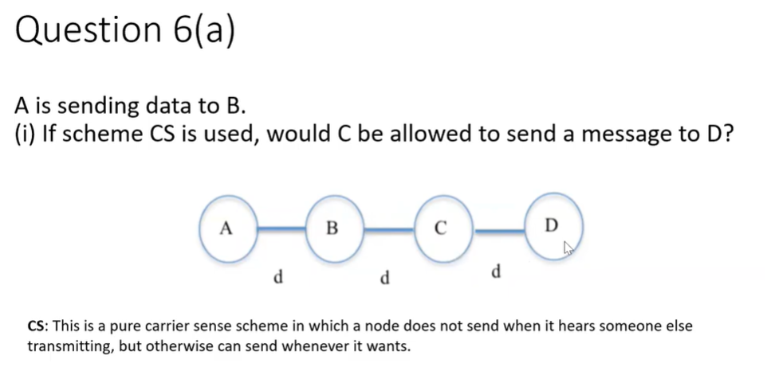
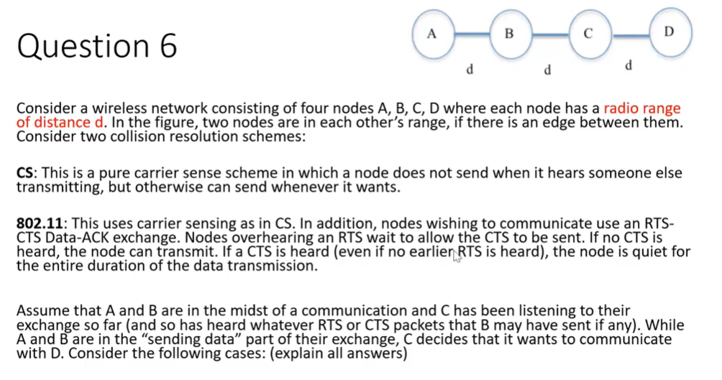

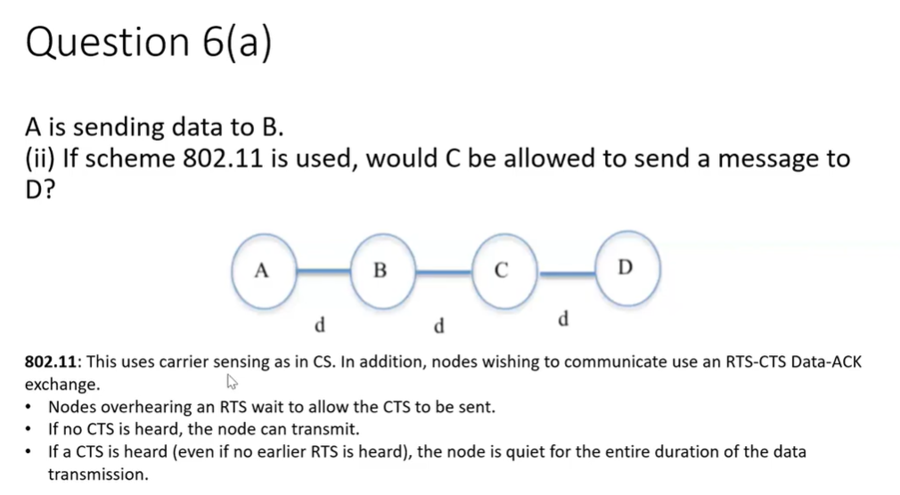
 | A is sending data to B, C can't hear this, and therefore C is able to send a message to D if using Carrier sensing scheme.

Before data is sent, RTS and CTS are to be sent.

CRC
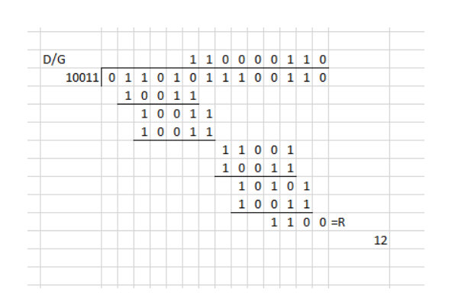
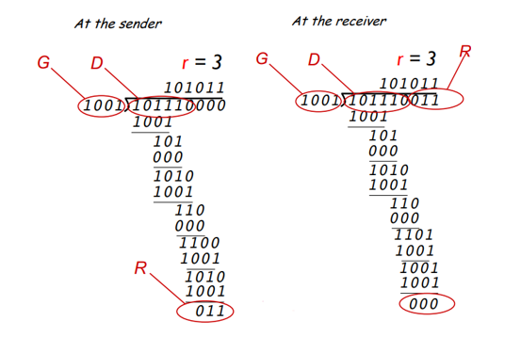
Find R | Check correct

ARP
Question: how to determine interface’s MAC address knowing its IP address? | An ARP query is encapsulated in a broadcast Ethernet frame. All nodes that receive it will process this frame. There is a type field in the Ethernet header which tells the receiving host where it should pass on the frame. ARP frames have a specific value.

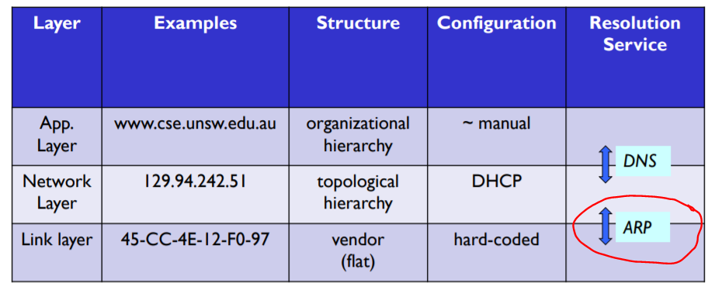

Addressing: routing in same LAN

CBC
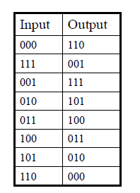
original message | 000 |  | You are using DES with cipher block chaining. Assume that all of the plaintext blocks you wish to send are just strings of 0’s. What is the relationship between consecutive ciphertext blocks you end up sending?
choose a random initialiser | 101
xor | 101
output | 010 | first round
new random cipher | 010
second message | 000
xor | 010
output | 101 | second round
new random cipher | 101
third message | 000
xor | 101
output | 010 | third round | Therefore, the relationship between the consecutive ciphertext blocks (that you end up sending) is that each successive ciphertext block is the output of applying DES to the previous ciphertext block, with an apparent disregard for the input block taken from the sender.
new random cipher | 010

